Breakdown
Miriam Corban - AU Brick | Tier 1 | Tier 2 | Tier 3 | Tier 4 | Tier 5
 | B01
 |  | Façade
 |  |  | Ground Floor
 |  |  |  | Elevation 1
 |  |  |  |  | Brickwork | Prepopulate | FC - S - Brick Works
 |  |  |  | Elevation 2
 |  |  |  |  | Brickwork | Prepopulate | FC - S - Brick Works
 |  |  |  | Elevation 3
 |  |  |  |  | Brickwork | Prepopulate | FC - S - Brick Works
 |  |  |  | Elevation 6
 |  |  |  |  | Brickwork | Prepopulate | FC - S - Brick Works
 |  |  |  | Elevation 9
 |  |  |  |  | Brickwork | Prepopulate | FC - S - Brick Works
 |  |  |  | Elevation 7
 |  |  |  |  | Brickwork | Prepopulate | FC - S - Brick Works
 |  |  |  | Elevation 8
 |  |  |  |  | Brickwork | Prepopulate | FC - S - Brick Works
 |  |  |  | Elevaion 10
 |  |  |  |  | Brickwork | Prepopulate | FC - S - Brick Works
 |  |  |  | Elevation 11
 |  |  |  |  | Brickwork | Prepopulate | FC - S - Brick Works
 |  |  |  | Elevation 12
 |  |  |  |  | Brickwork | Prepopulate | FC - S - Brick Works
 |  |  | Level 1
 |  |  |  | Elevation 1
 |  |  |  |  | Brickwork | Prepopulate | FC - S - Brick Works
 |  |  |  | Elevation 2
 |  |  |  |  | Brickwork | Prepopulate | FC - S - Brick Works
 |  |  |  | Elevation 6
 |  |  |  |  | Brickwork | Prepopulate | FC - S - Brick Works
 |  |  |  | Elevation 9
 |  |  |  |  | Brickwork | Prepopulate | FC - S - Brick Works
 |  |  |  | Elevation 7
 |  |  |  |  | Brickwork | Prepopulate | FC - S - Brick Works
 |  |  |  | Elevation 4
 |  |  |  |  | Brickwork | Prepopulate | FC - S - Brick Works
 |  |  |  | Elevaion 10
 |  |  |  |  | Brickwork | Prepopulate | FC - S - Brick Works
 |  |  |  | Elevation 11
 |  |  |  |  | Brickwork | Prepopulate | FC - S - Brick Works
 |  |  | Level 2
 |  |  |  | Elevation 1
 |  |  |  |  | Brickwork | Prepopulate | FC - S - Brick Works
 |  |  |  | Elevation 2
 |  |  |  |  | Brickwork | Prepopulate | FC - S - Brick Works
 |  |  |  | Elevation 6
 |  |  |  |  | Brickwork | Prepopulate | FC - S - Brick Works
 |  |  |  | Elevation 9
 |  |  |  |  | Brickwork | Prepopulate | FC - S - Brick Works
 |  |  |  | Elevation 7
 |  |  |  |  | Brickwork | Prepopulate | FC - S - Brick Works
 |  |  |  | Elevation 4
 |  |  |  |  | Brickwork | Prepopulate | FC - S - Brick Works
 |  |  |  | Elevaion 10
 |  |  |  |  | Brickwork | Prepopulate | FC - S - Brick Works
 |  |  |  | Elevation 11
 |  |  |  |  | Brickwork | Prepopulate | FC - S - Brick Works
 |  |  | Level 3
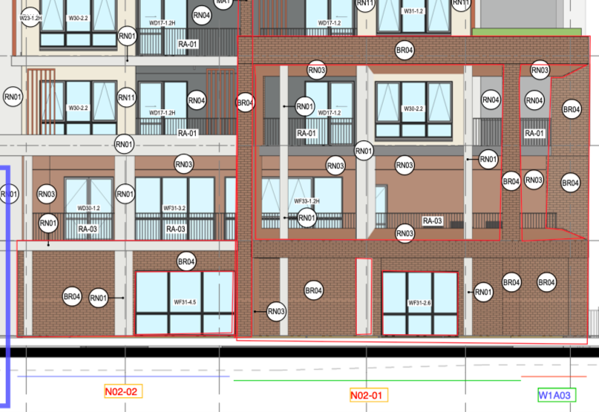
 |  |  |  | Elevation 6
 |  |  |  |  | Brickwork | Prepopulate | FC - S - Brick Works
 |  |  |  | Elevation 9
 |  |  |  |  | Brickwork | Prepopulate | FC - S - Brick Works
 |  |  |  | Elevation 7
 |  |  |  |  | Brickwork | Prepopulate | FC - S - Brick Works
 |  |  |  | Elevation 4
 |  |  |  |  | Brickwork | Prepopulate | FC - S - Brick Works
 |  |  |  | Elevaion 10
 |  |  |  |  | Brickwork | Prepopulate | FC - S - Brick Works
 |  |  |  | Elevation 11
 |  |  |  |  | Brickwork | Prepopulate | FC - S - Brick Works
 |  |  | Level 4
 |  |  |  | Elevation 2
 |  |  |  |  | Brickwork | Prepopulate | FC - S - Brick Works
 |  |  |  | Elevation 9
 |  |  |  |  | Brickwork | Prepopulate | FC - S - Brick Works
 |  |  |  | Elevation 10
 |  |  |  |  | Brickwork | Prepopulate | FC - S - Brick Works
 |  |  | Level 5
 |  |  |  | Elevation 2
 |  |  |  |  | Brickwork | Prepopulate | FC - S - Brick Works
 |  |  |  | Elevation 9
 |  |  |  |  | Brickwork | Prepopulate | FC - S - Brick Works
 |  |  |  | Elevation 10
 |  |  |  |  | Brickwork | Prepopulate | FC - S - Brick Works

 |  | Completion documents |  |  |  | Prepopulate | CST - S - Completion Documents

